Workout
Accounting and Financial Analysis

Workout
 | Complete the table below from the financial statement extracts given.

 | Identify capital expenditure for the periods.
 | Identify non cash items from the cash flow statement.
 | Identify depreciation and amortization from the footnotes.

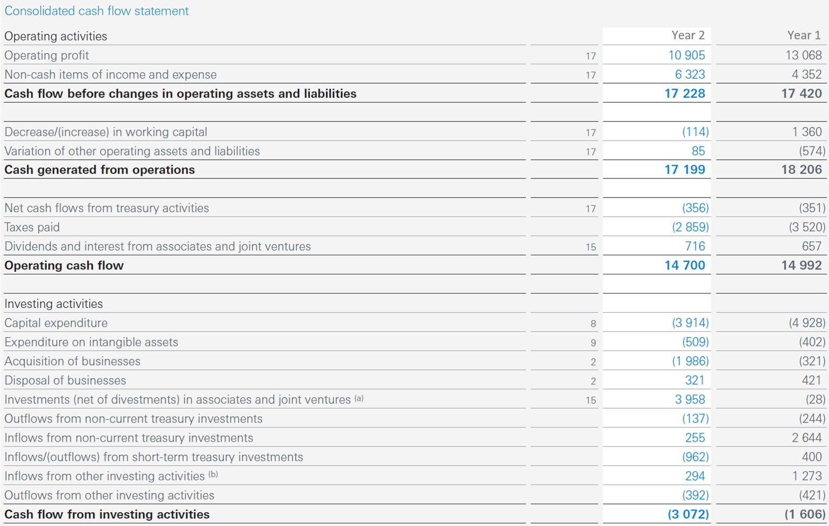

 |  | Year 2 | Year 1
 | Capital expenditure | 3,914.0 | 4,928.0
 | Non cash items from the CFS | 6,323.0 | 4,352.0
 | Depreciation | 2,782.0 | 2,864.0
 | Amortization | 276.0 | 301.0
 | Depreciation and amortization | 3,058.0 | 3,165.0

 | When forecasting PP&E, ideally depreciation and amortization from the footnotes should be used.
 | The cash flow statement figures may include a number of items not relevant for forecasting, such as impairments and discontinued operations.

End

